Sheet1
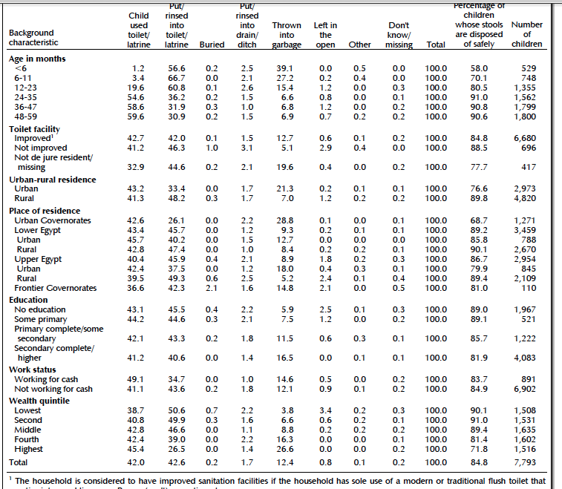
labelbook v465
 | tab age_interval v465 [iweight=weight], missing
definition
1 always use toilet/latrine | Age in
2 put/rinsed in toilet/latrine |  | Type of | child | feces disposal | showing | improved | separated
3 put/rinsed into drain or ditch |  | child used toilet/latrine | put/rinsed into toilet or latrine | put/rinsed into drain or ditch | thrown into garbage (solid waste) | buried | left in the open | other | dk | missing | Total
4 throw into garbage | 0 | 51.9306159 | 1523.72918 | 63.116863 | 683.23327 | 5.691666 | 6.8696979 | 8.4528529 | 0.999403 | 4.27827704 | 2,348.30
5 buried | 1 | 401.281411 | 1263.57765 | 54.569623 | 254.273468 | 4.76949 | 32.323446 | 1.322525 | 1.553422 | 3.31739 | 2,016.99
6 rinse away | 2 | 1054.47449 | 407.876154 | 12.263878 | 27.5576929 | 2.14709 | 10.554547 | 0 | 0 | 0 | 1,514.87
7 use disposable diapers | 3 | 987.968571 | 82.244121 | 2.1807221 | 2.447033 | 1.405205 | 11.691187 | 0 | 0.297427 | 0.208592996 | 1,088.44
8 use washable diapers | 4 | 780.404127 | 38.808161 | 0 | 0 | 0.81588697 | 2.316727 | 0 | 0 | 2.3930269 | 824.737925
9 left in the open/not disposed of | Total | 3276.05945 | 3316.23546 | 132.13109 | 967.51146 | 14.829338 | 63.755605 | 9.7753779 | 2.850252 | 10.197287 | 7,793.35
96 other
98 don't know

